Introduction
NHS Benchmarking Network
Data Collection Specification for Virtual Wards (also known as Hospital at Home): Clinical Case Review (2026)

Guidance Notes:
This document provides guidance on completing the Clinical Case Review (CCR) element of the NHS Benchmarking Network's 2026 Virtual Wards (also known as Hospital at Home) project.
The CCR allows project participants to submit anonymised patient level data about care of older people wards.
Organisations are requested to complete the CCR for each virtual ward they operate, for 75 service users who are consecutively discharged from the selected ward at any point within the period from the 22nd June to the 7th August 2026.
A project lead should be allocated from the selected ward to co-ordinate and collate the results.
Once this Excel file has been completed, please email to the project team. Alternatively, this information can be entered directly onto the data collection pages - for more information, please view the members' area.
If you have any queries at all, please do not hesitate to contact the project team.
 | Timetable:
 | Data collection open | 22nd June 2026
 | Submission deadline | 7th August 2026
 | Project outputs | November 2026

 | Support:
 | Name | Chris McAuley
 | Email | chris.mcauley@nhs.net
 | Phone | 0161 521 9099

 | Name | Jeffery Onyeme
 | Email | j.onyeme@nhs.net
 | Phone | 0161 521 0818

GSTT Matrix
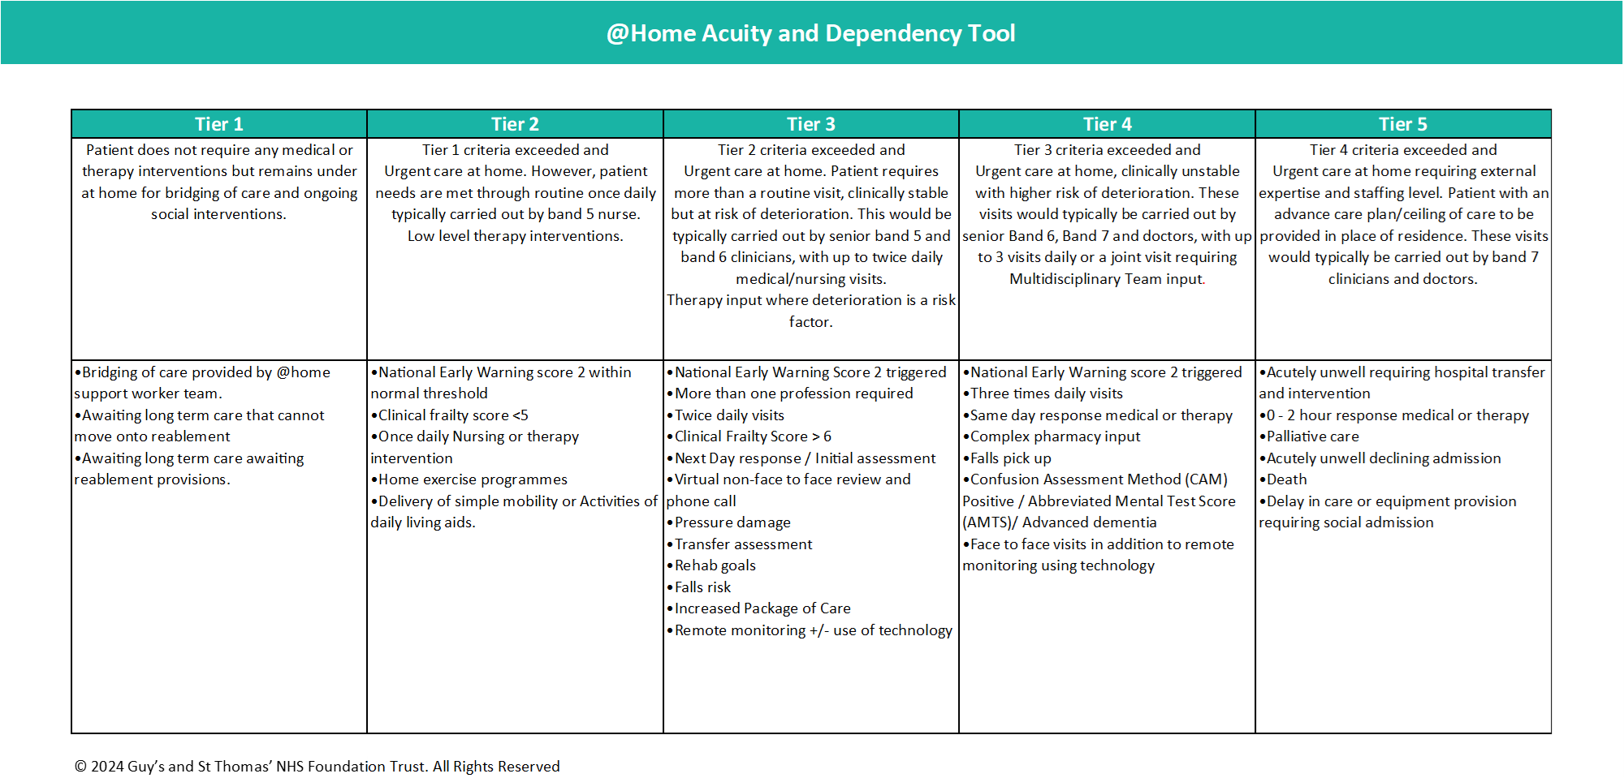
Please use the matrix below provided by Guys and St Thomas NHS Foundation Trust to measure the acuity of patients in the Clinical Case Review. Please note that the @Home Acuity and Dependency Tool has been provided by Guys and St Thomas NHS Foundation Trust for use in the NHS Benchmarking Network's project 'Virtual Wards (also known as Hospital at Home)' and should not be used outside of this project.

